Indices

 | Iraq Stock Exchange
 | Bulletin No (17)
 | ISX Trading Indices of Wednesday 28/1/2026

 | Traded Volume and OTC |  | 1,721,833,605 |  | Traded Value and OTC |  | 1,295,674,404 |  | Traders | 1040
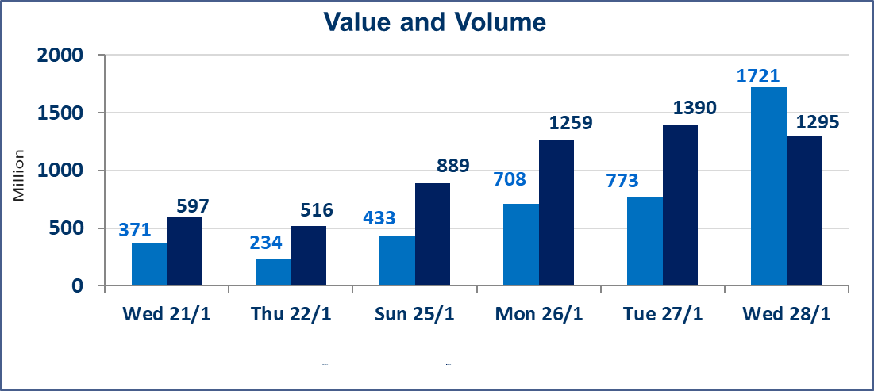
 | ISX Index 60 |  |  | 957.58 | ISX Index 15 |  |  | 1219.89
 | Previous ISX Index60 |  |  | 962.54 | Previous ISX Index15 |  |  | 1225.96
 | Change % |  |  | -0.52 | Change % |  |  | -0.50
 | Change |  |  | -4.96 | Change |  |  | -6.07

 | Listed Companies | 104 | OTC | 14 | Non Traded listed | 45 | OTC | 12
 | Traded Listed Companies | 42 | OTC | 2 | Higher Companies |  |  | 6
 | GAM Companies |  |  | 6 | Lower Companies |  |  | 19
 | Suspended Companies |  |  | 11
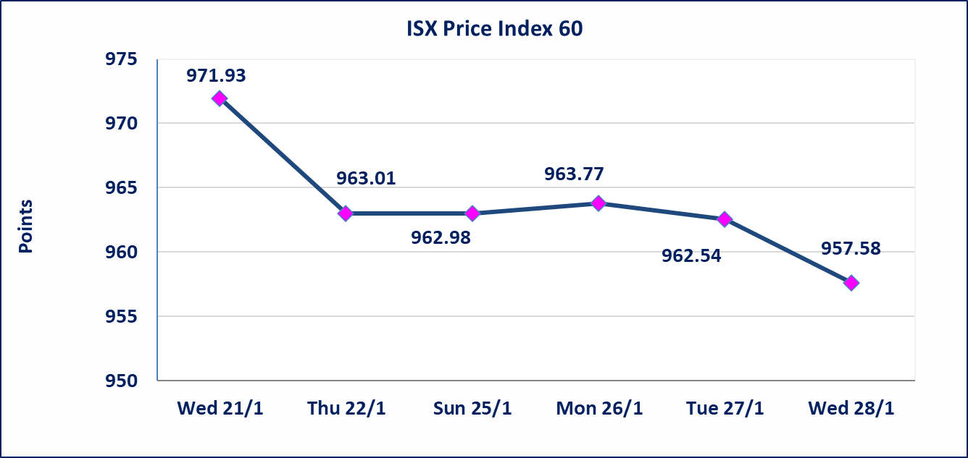
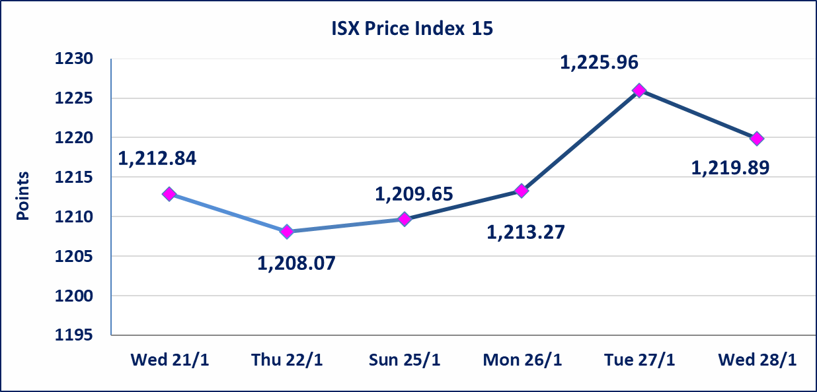

Al-Alwiya P.O . 3607 Mobile: 07711211522 - 07270094594 - 07834000034 E-mail: info-isx@isx-iq.net Web site:www.isx-iq.net

Top 5
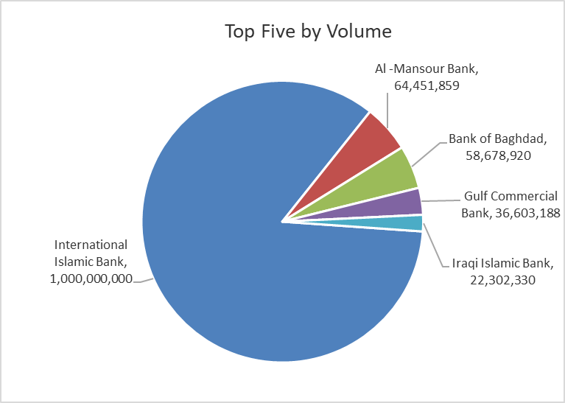
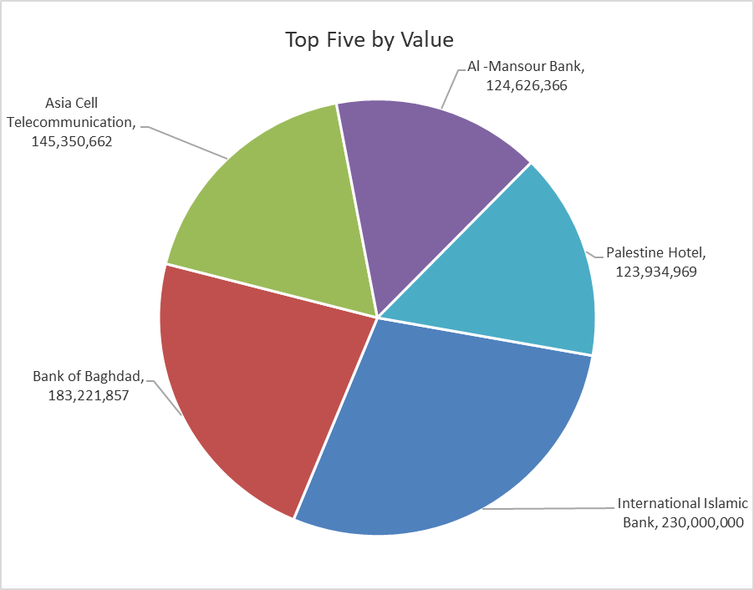

ISX top ganing and losing companies
Wednesday 28/1/2026
 | Gainers |  |  |  | Losers
 | Company Name | Closing Price | Change (%) | Traded Volume | Company Name | Closing Price | Change (%) | Traded Volume
 | Kurdistan International Bank | 1.720 | 14.67 | 1,857,792 | Al-Hamraa for Insurance | 2.500 | -11.66 | 233,610
 | Trans Iraq Bank Investment | 0.330 | 13.79 | 100,000 | AL-Badia for General Trans | 0.910 | -4.21 | 1,331
 | Kharkh Tour Amuzement City | 4.250 | 6.25 | 2,492,448 | General Transportation | 1.610 | -4.17 | 17,823
 | Modern Construction Materials | 1.580 | 4.64 | 1,689,507 | Mamoura Realestate | 3.190 | -2.74 | 4,872,000
 | The Light Industries | 1.430 | 0.70 | 6,507,998 | Baghdad -Iraq Transportation | 22.050 | -2.00 | 1,047,889
 | The most active companies in term of traded volume and value

 | Traded Volume |  |  |  | Traded Value
 | Company Name | Closing Price | Change (%) | Traded Volume | Company Name | Closing Price | Change (%) | Traded Value
 | International Islamic Bank | 0.230 | 0.00 | 1,000,000,000 | International Islamic Bank | 0.230 | 0.00 | 230,000,000
 | Al -Mansour Bank | 1.930 | -0.52 | 64,451,859 | Bank of Baghdad | 3.150 | -0.94 | 183,221,857
 | Bank of Baghdad | 3.150 | -0.94 | 58,678,920 | Asia Cell Telecommunication | 14.650 | -0.34 | 145,350,662
 | Gulf Commercial Bank | 0.280 | 0.00 | 36,603,188 | Al -Mansour Bank | 1.930 | -0.52 | 124,626,366
 | Iraqi Islamic Bank | 1.020 | 0.00 | 22,302,330 | Palestine Hotel | 20.750 | -1.89 | 123,934,969

Non Iraqis

Iraq Stock Exchange
Non Iraqis' Bulletin Wednesday Jan 28 2026
Regular Market

Non Iraqi Trading of Regular Market (Buy)
Company Names | Code | No.of trades | Traded Shares | Trading Volume
Banks Sector
Bank Of Baghdad | BBOB | 15 | 15,000,000 | 46,735,000
Total Bank sector |  | 15 | 15,000,000 | 46,735,000
Grand Total |  | 15 | 15,000,000 | 46,735,000

Non Iraqi Trading of Regular Market (Sell)
Company Names | Code | No.of trades | Traded Shares | Trading Volume
Telecommunication Sector
Asia cell | TASC | 19 | 500,000 | 7,350,000
Total Telecommunication sector |  | 19 | 500,000 | 7,350,000
Grand Total |  | 19 | 500,000 | 7,350,000

Non Iraqi Trading of Second Market (BUY)
Company Names | Code | No. of trades | Traded Volume | Traded Value
Insurance Sector
Al-Hamraa for Insurance | NHAM | 1 | 40,000 | 100,000
Total Insurance sector |  | 1 | 40,000 | 100,000
Grand Total |  | 1 | 40,000 | 100,000

Not Trading Bonds

Iraq Stock Exchange
Wednesday 28/1/2026
Not Trading Bonds Bulletin
Bond type | Publish type | Code | last trading price | immortilize date
Banaa Bonds /Million ID | Second | CB20 | 964,981 | 19/12/2025
Eamar Bonds /Million ID | First | CB30 | 1,001,095 | ــــــــــــــــ
Eamar Bonds /Million ID | Second | CB40 | ــــــــــــــــ | ــــــــــــــــ
Eamar Bonds /500 Thousand ID | Third | CB45 | ــــــــــــــــ | ــــــــــــــــ
Eamar Bonds /Million ID | Third | CB50 | ــــــــــــــــ | ــــــــــــــــ
Injaz Bonds /500 Thousand ID | First | CB55 | ــــــــــــــــ | ــــــــــــــــ
Injaz Bonds /Million ID | First | CB60 | ــــــــــــــــ | ــــــــــــــــ
Injaz Bonds /500 Thousand ID | Second | CB65 | 515,047 | ــــــــــــــــ
Injaz Bonds /Million ID | Second | CB70 | 1,026,082 | ــــــــــــــــ
Injaz Bonds /500 Thousand ID | Third | CB75 | ــــــــــــــــ | ــــــــــــــــ
Injaz Bonds /Million ID | Third | CB80 | 978,182 | ــــــــــــــــ
National Bonds/Million ID | First | CB90 | ــــــــــــــــ | ــــــــــــــــ
National Bonds/500 Thousand ID | Second | CB95 | ــــــــــــــــ | ــــــــــــــــ
National Bonds/Million ID | Second | CB100 | ــــــــــــــــ | ــــــــــــــــ

